Envelope.csv
 | Database Column Name | Value Type | General identifiers
1 | Prototype | (Text / String) | Building prototype name (e.g., Assembly, RetailMedium). Use to filter which rows apply to which model/run.
2 | CZ | (Text / String) | California climate zone number used to select the correct envelope values for that location.
3 | Vintage | (Text / String) | Code/era bucket (NC, V4, V3-2-1). Use to choose which vintage apply.
 |  |  | Glazing Info (Object Class_1)
4 | Object Class_1 | (Text / String) | The EnergyPlus Class type: WINDOWMATERIAL:SIMPLEGLAZINGSYSTEM
5 | Object Name_1.1 | (Text / String) | The EnergyPlus object Name for the glazing system (used by window constructions assigned to nonres windows).
6 | Field Name | (Text / String) | U-factor: A field in the WindowMaterial:SimpleGlazingSystem.
7 | Value | (Numeric) | U-factor value for this glazing system.
8 | Unit | (Text / String) | Units for U-factor (Commonly Btu/h-ft2-F).
9 | Field Name | (Text / String) | Solar_Heat_Gain_Coefficient:A field in the WindowMaterial:SimpleGlazingSystem.
10 | Value | (Numeric) | SHGC value.
11 | Unit | (Text / String) | n/a
12 | Field Name () | (Text / String) | Visible_Transmittance: A field in the WindowMaterial:SimpleGlazingSystem.
13 | Value | (Numeric) | Visible transmittance value
14 | Unit | (Text / String) | n/a (dimensionless).
Different glazing types are listed under Object Name_1.2 through Object Name_1.5 using the same format immediately after this section. We show Object Name_1.1 as the example.

 |  |  | Opaque Envelope Info (Object Class_2)
15 | Object Class_2 | (Text / String) | The EnergyPlus Class type: MATERIAL
16 | Object Name_2.1 | (Text / String) | The EnergyPlus object Name for the insulation layer (used in the nonres metal-framed exterior wall construction).
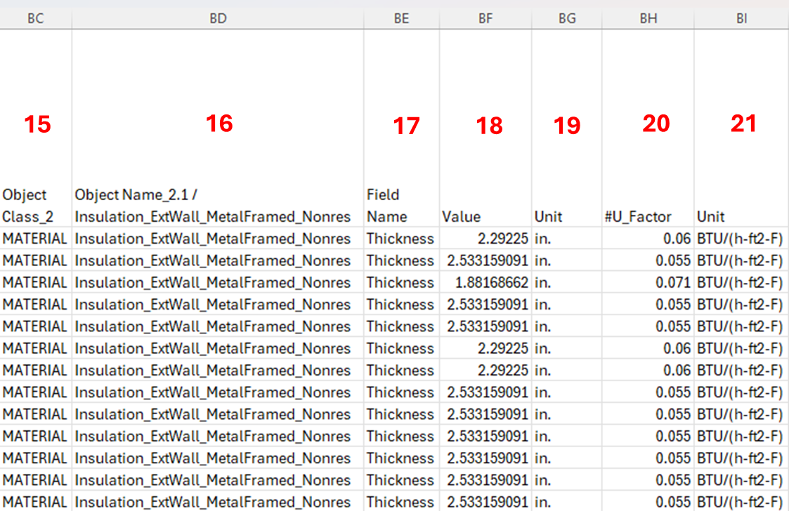
17 | Field Name | (Text / String) | Thickness: A field in the Material
18 | Value | (Numeric) | Thickness of the insulation material used in the corresponding construction assembly.
19 | Unit | (Text / String) | Units for thickness (in.)
20 | #U_Factor | (Text / String) | Target/derived U-factor used by our workflow for calibration/QA (often used to back-calculate required insulation thickness or to validate assemblies).
21 | Unit | (Text / String) | Units for U-factor (Typically BTU/(h-ft2-F)).
Different wall and roof assembly types are listed under Object Name_2.1 through Object Name_2.14 in the same format immediately after this section. We show Object Name_2.1 as the example.

